Sheet1
Assignment - 1 | Display all the product name in uppercase.
Create products1 Table and Insert values into it:
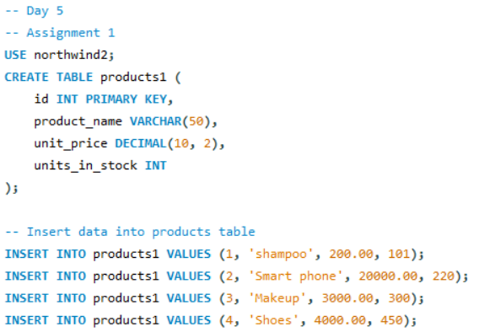

Query

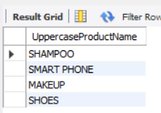
Result

Assignment - 2 | Display last 3 characters from product name

 | Same table as before

Query

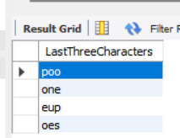

Result

Assignment - 3 | Display all the customers postal code. Postal code should be minimum 9 character. In case there are less then 9 character in database add "0" at beginning.
Create Customers Table and insert rows into it:
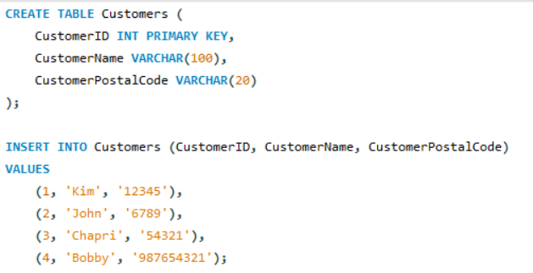

Query

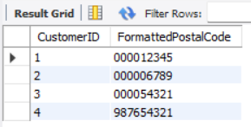

Result

Assignment - 4 | Display unitprice from products. Remove decimal from the unit price.

Query

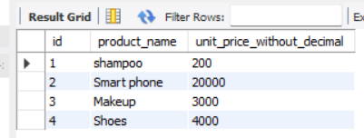
Result

Assignment - 5 | Get final order price per order. Price should be floored from the output.

Create OrderDetails and insert rows into it:
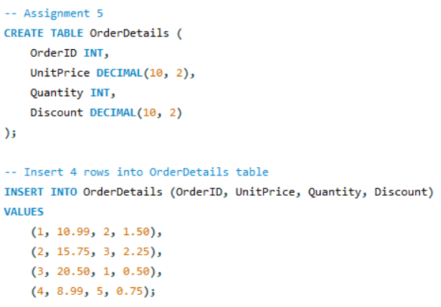

Query

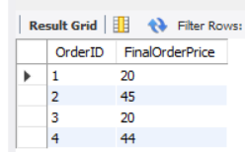
Result

Assignment - 6 | Get final order price per order. Price should be ceiled from the output.

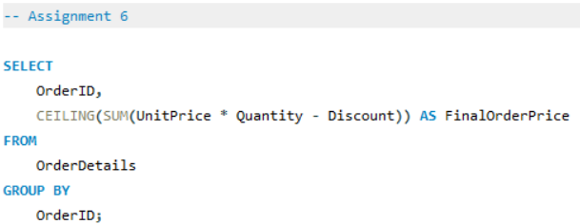
Query

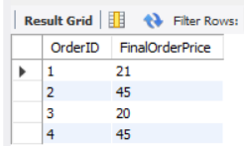

Result

Assignment - 7 | Display order date in yyyy/MM/dd format.
Create Orders Table and insert rows into it :
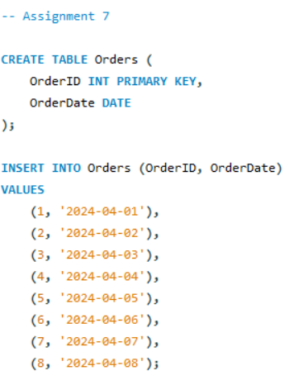

Query

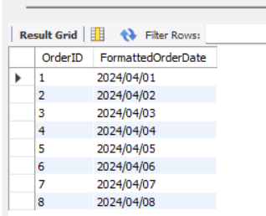

Result

Assignment - 8 | Display 5 latest orders from order.

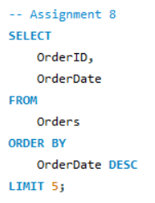
Query

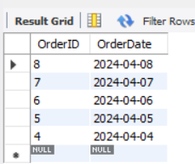

Result

 |  | THE END

